Evidence
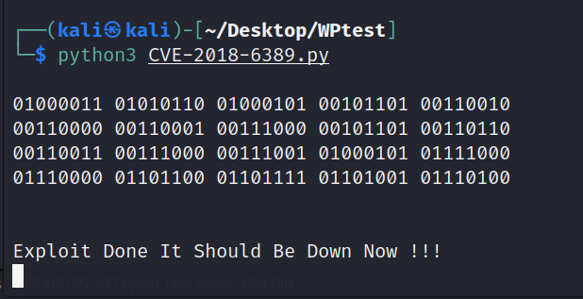
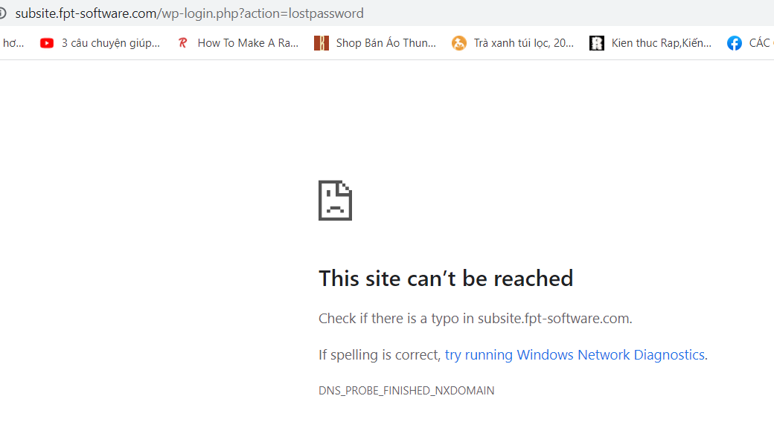
No
1 | https://portswigger.net/web-security/host-header/exploiting/password-reset-poisoning
 | https://www.vulnspy.com/en-cve-2017-8295-unauthorized-password-reset-vulnerability/

9

